i22
Return to contents
 |  | Breakdown between Solvency I and Solvency II at 31 Dec. 2017

 |  | Number of insurers | Total balance sheet (EUR billions) | Total premiums (EUR billions)
 | Solvency I | 142 | 0.9 | 0.5
 | Solvency II | 489 | 2,572.9 | 292.5
 | Total | 631 | 2,573.8 | 293.0
 |  | Number of insurers | % of total balance sheet | % of total premiums
 | Solvency I | 22.5% | 0.03% | 0.17%
 | Solvency II | 77.5% | 99.97% | 99.83%

i23
Return to contents
 | Investments associated with group and solo returns
At 31 Dec. 2017
Investments associated with solo returns = EUR 2,562bn
Undertakings not subordinated to a French group
at 31 Dec. 2017 = EUR 398bn
 |  | Investments associated with solo returns | 2,562
 |  | Investments associated with group returns | 2,731
 |  | Investments of French subsidiaries of French groups | 2,164

Investments associated with group returns
= EUR 2,731bn
Foreign
subsidiaries
of French
groups
= EUR 567bn
French subsidiaries of French groups
= EUR 2,164bn
 |  | French subsidiaries of French groups | 2,164
 |  | Foreign subsidiaries of French groups | 567
 |  | Undertakings not subordinated to a French group | 398

i24
Return to contents
 | Insurers authorised in France at 31 Dec. 2017

 |  | All authorised insurers
 | Life and mixed insurers | 250
 | Non-life insurers | 381
 | Substituted mutual insurers | 110
 | All authorised insurers | 741

I27
Return to contents

 | Breakdown by type of insurer within the Solvency II population at 31 Dec. 2017

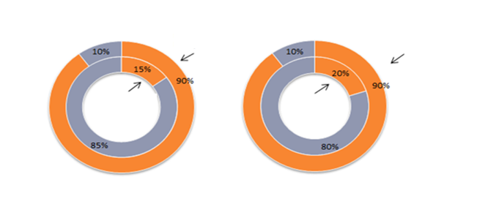

As % of total prudential balance sheet
As % of total prudential balance sheet

As % of number of insurers
As % of number of insurers

Life and mixed insurers
Non-life insurers

i28
Return to contents
 | Breakdown and composition of Solvency II technical provisions by type of activity
 | Technical provisions (EUR billions) | Whose : | Best estimate | Risk margin
Life (excl. UL and healthcare) | 1672.352184 | 0 | 0 | 0
Unit-linked contracts | 350.45816617
SLT healthcare | 48.627817414
Non-SLT healthcare | 32.899103894
Non-life (excl. healthcare) | 122.69346287
7%
6%

6%
1%

1%

 |  | Best estimate | Risk margin | Technical provisions (EUR billions) | Share of Risk Margin
 | Life (excl. UL and healthcare) | 1654.0 | 18.3 | 1672.352184 | 1%
 | Unit-linked contracts | 346.2 | 4.2 | 350.45816617 | 1%
 | SLT healthcare | 45.5 | 3.1 | 48.627817414 | 6%
 | Non-SLT healthcare | 30.7 | 2.2 | 32.899103894 | 7%
 | Non-life (excl. healthcare) | 114.9 | 7.8 | 122.69346287 | 6%

i30
Return to contents
 | I28.Breakdown of life insurance revenue (gross earned premiums) in EUR billions

 |  |  | 2017
 |  | Total | 158.7 |  | Class 26 and PERP contracts | Capital accumulation policies | Group euro-denominated contracts | Individual and group unit-linked contracts | Individual euro-denominated contracts
 |  | Direct business | 140.1 | 2017 | 4.2 | 4.6 | 15.3 | 38.1 | 77.9
 |  | Reinsurance acceptances | 13.3 | 2016 | 4.2 | 5.0 | 15.3 | 28.2 | 86.7
 |  | Business abroad (FPS and branches) | 5.1

i31
Return to contents
 | Life insurance net inflow from euro-denominated and unit-linked contracts (insurers subject to weekly reporting)

 | Row headings | Sum of PREM_RAC | Sum of BENE_RAC | Sum of BALAN_RAC
 | 2011 | 115 | 110 | 5
 | 2012 | 105 | 111 | -6
 | 2013 | 111 | 99 | 12
 | 2014 | 113 | 93 | 20
 | 2015 | 119 | 98 | 22
 | 2016 | 117 | 102 | 15
 | 2017 | 118 | 113 | 5

i36
Return to contents

 | MCR coverage ratio of insurers subject to Solvency II
Key:
P95
Q3
Median
Q1
P5
Average ratio
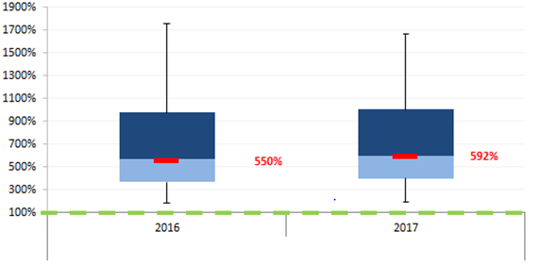

All business
Scope: all SII solo undertakings
Source: SII

i37
Return to contents

 | SCR coverage ratio of insurers subject to Solvency II
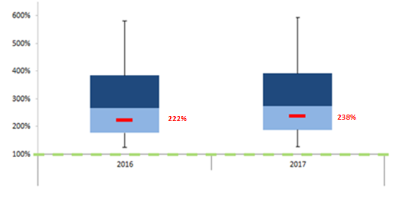
Key:
P95
Q3
Median
Q1
P5
Average ratio

All business

Scope: all SII solo undertakings
Source: SII

i38
Return to contents
 | SCR coverage by type of insurer subject to Solvency II in 2017

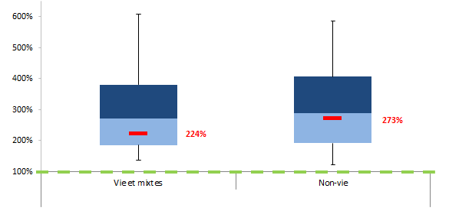
Key:
P95
Q3
Median
Q1
P5
Average ratio

All business

Scope: all SII solo undertakings
Source: SII

i41
Return to contents
 | Total assets of insurers in major European countries at 31 Dec. 2017 (EUR billions)

 | Country | Investments (unit-linked) | Investments (excl. unit-linked) | Other assets | Total assets
 | United Kingdom | 1,267 | 932 | 464 | 2,663
 | France | 340 | 2,080 | 239 | 2,659
 | Germany | 111 | 1,832 | 266 | 2,208
 | Italy | 154 | 697 | 70 | 921
 | Netherlands | 92 | 256 | 139 | 487
 | Denmark | 149 | 267 | 16 | 432
 | Ireland | 210 | 77 | 67 | 354
 | Belgium | 36 | 238 | 47 | 321
 | Sweden | 126 | 164 | 19 | 309

i42
Return to contents
 | Non-life premiums of European insurers at 31 Dec. 2017 (EUR billions)

 | Country | Direct business earned premiums | Gross earned premiums from reinsurance
 | France | 81 | 102
 | United Kingdom | 75 | 99
 | Germany | 71 | 118
 | Netherlands | 55 | 56
 | Italy | 31 | 33
 | Spain | 30 | 36
 | Ireland | 15 | 25
 | Belgium | 14 | 15
 | Austria | 9 | 10
 | Sweden | 9 | 10
 | Denmark | 9 | 9
 | Poland | 8 | 9
 | Portugal | 4 | 5
 | Finland | 4 | 4
 | Czech Republic | 3 | 4
 | Luxembourg | 3 | 9
 | Greece | 2 | 2
 | Romania | 2 | 2
 | Slovenia. | 2 | 2
 | Hungary | 2 | 2
 | Slovakia | 1 | 1
 | Bulgaria | 1 | 2
 | Croatia | 1 | 1
 | Malta | 1 | 1
 | Cyprus | 1 | 1
 | Estonia | 0 | 0
 | Lithuania | 0 | 0
 | Latvia | 0 | 0

