i1
Return to contents

Summary of the “domestic perspective”

 |  | CI | FC | IF, EMI, etc.

French groups | Entities in France | Individual company basis | Individual company basis | x
 | Branches abroad | Parent company basis | Individual company basis | x
 | Subsidiaries abroad | x |  | x

Independent French entities |  | Individual company basis | Individual company basis | x

Foreign groups | Entities abroad | x |  | x
 | Branches in France | Individual company basis |  | x
 | Subsidiaries in France | Individual company basis | Individual company basis | x
Key: green indicates selected elements; red indicates excluded elements; and grey indicates missing elements.

i4
Return to contents
 | Structure of the aggregate company balance sheet
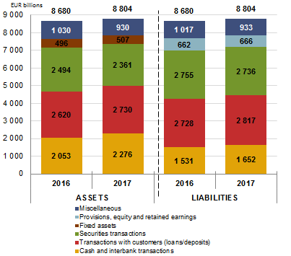

 |  | ASSETS |  | LIABILITIES
 | EUR billions | 2016-12-31 | 2017-12-31 | 2016-12-31 | 2017-12-31
 | Cash and interbank transactions | 2,053 | 2,276 | 1,531 | 1,652
 | Transactions with customers (loans/deposits) | 2,620 | 2,730 | 2,728 | 2,817
 | Securities transactions | 2,494 | 2,361 | 2,755 | 2,736
 | Fixed assets | 496 | 507
 | Provisions, equity and retained earnings |  |  | 662 | 666
 | Miscellaneous | 1,030 | 930 | 1,017 | 933
 | Total | 8,680 | 8,804 | 8,680 | 8,804

i5
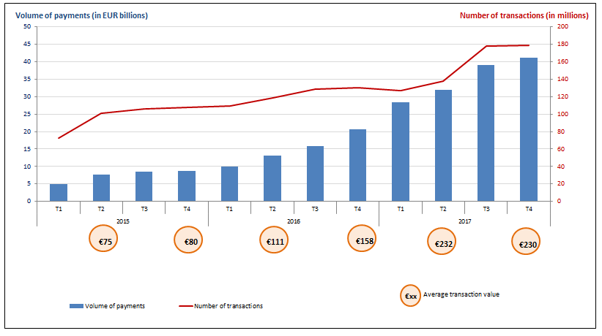
Return to contents
 | Activity of main payment institutions in France

i6
Return to contents
 | Breakdown of deposits collected from customers
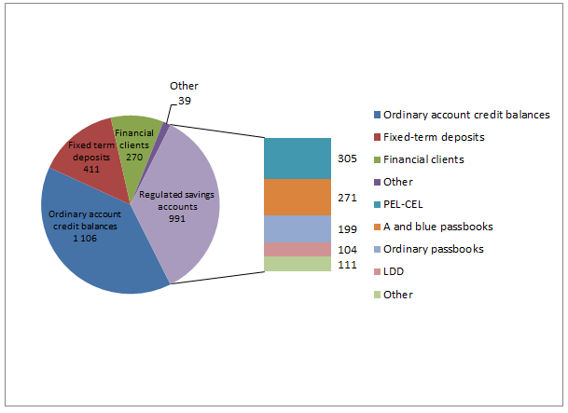

 | Total deposits from customers | 2,817
 | Ordinary account credit balances | 1,106
 | Fixed-term deposits | 411
 | Financial clients | 270
 | Other | 39
 | PEL-CEL | 305
 | A and blue passbooks | 271
 | Ordinary passbooks | 199
 | LDD | 104
 | Other | 111

i7
Return to contents
 | Total des concours | #REF!
 | 2008 | 1
 | 2103.3147856

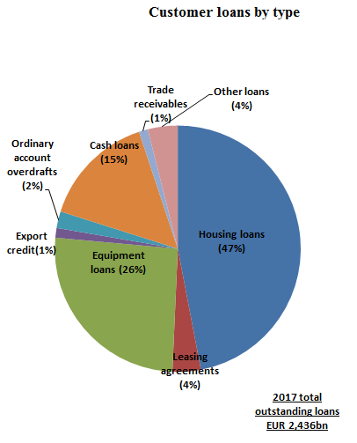

 | 2017 | EUR billions
 | 1,112 | Housing loans | 1144 | 47%
 | 88 | Leasing agreements | 91 | 4%
 | 609 | Equipment loans | 627 | 26%
 | 30 | Trade receivables | 31 | 1%
 | 52 | Ordinary account overdrafts | 53 | 2%
 | 355 | Cash loans | 365 | 15%
 | 28 | Export credit | 29 | 1%
 | 93 | Other loans | 96 | 4%
 | 2,367 | Total outstandings | 2436

i8
Return to contents
 | Breakdown of net banking income
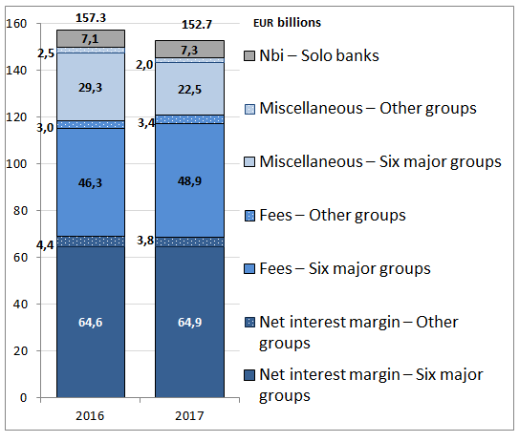

 |  |  | Miscellaneous – Six major groups | Miscellaneous – Other groups | Fees – Six major groups | Fees – Other groups | Net interest margin – Six major groups | Net interest margin – Other groups | NBI – Six major groups | NBI – Other groups | Nbi – Solo banks
 |  | 2013 | 21.3 | 0.7 | 43.0 | 2.6 | 67.3 | 4.1 | 131.6 | 7.4 | 7.6
 |  | 2014 | 23.4 | 0.1 | 43.8 | 2.6 | 66.3 | 4.0 | 133.5 | 6.7 | 7.8
 |  | 2015 | 28.9 | 2.1 | 46.6 | 3.0 | 66.3 | 4.7 | 141.8 | 9.8 | 7.0
 |  | 2016 | 29.3 | 2.5 | 46.3 | 3.0 | 64.6 | 4.4 | 140.2 | 10.0 | 7.1
 |  | 2017 | 22.5 | 2.0 | 48.9 | 3.4 | 64.9 | 3.8 | 136.2 | 9.2 | 7.3

i9
Return to contents
 | Breakdown by counterparty of deposits received

Key:
27%
Households
EUR 1,527bn
46%
Non-financial corporations
EUR 926bn
Central
banks
EUR 236bn
40%
General government
EUR 89bn
49%
67%
Credit
institutions
EUR 325bn
76%
Other financial institutions
EUR 692bn
o/w
outside France
Deposits of counterparty type
Household deposits
(for comparative purposes)
Total deposits
EUR 3,795bn

o/w outside France:
45%

i10
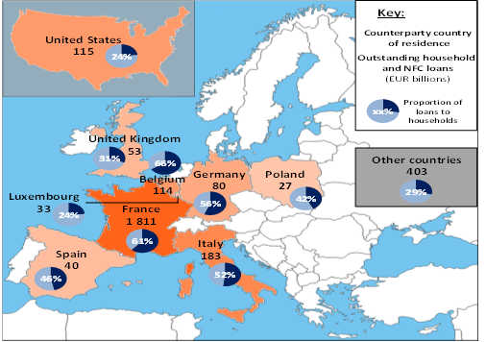
Return to contents
 | Loans to households and NFCs: French banks' main countries of operation

i11
Return to contents
 | Outstanding performing and non-performing loan amounts

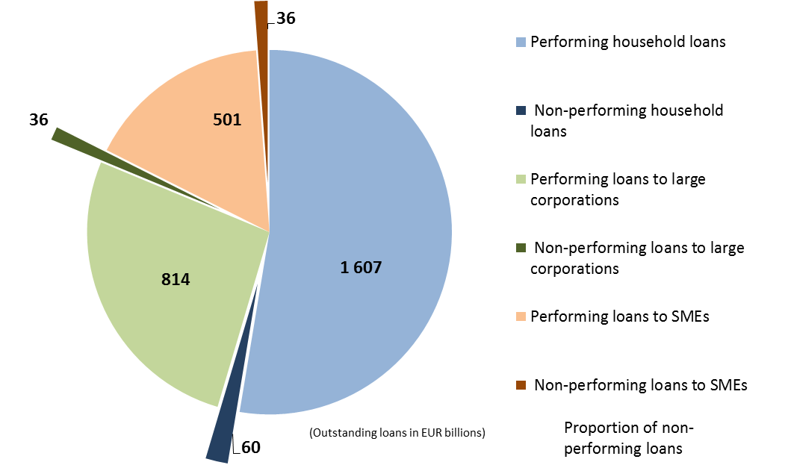

 |  | 2016 |  | 2017
 | Performing household loans | 1,587 |  | 1,607
 | Non-performing household loans | 68 | 4.1% | 60 | 3.6%
 | Performing loans to large corporations | 853 |  | 814
 | Non-performing loans to large corporations | 43 | 4.8% | 36 | 4.2%
 | Performing loans to SMEs | 347 |  | 501
 | Non-performing loans to SMEs | 31 | 8.3% | 36 | 6.7%

i12
Return to contents
 | Breakdown of Basel III own funds

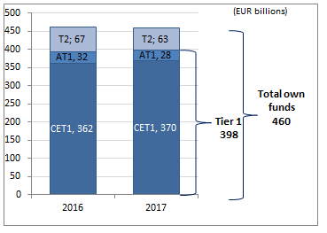

 |  | French banking sector
 |  | 2015 | 2016 | 2017
 | CET1 | 322 | 362 | 370
 | AT1 | 29 | 32 | 28
 | T2 | 64 | 67 | 63
 | Total | 416 | 462 | 460

i13
Return to contents

 | Breakdown of RWA by risk type

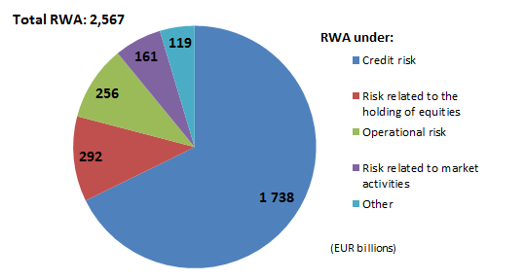

 |  | RWA
 | (EUR billions) | 2016 | 2017
 | Credit risk | 1,641 | 1,738
 | Risk related to the holding of equities | 289 | 292
 | Operational risk | 241 | 256
 | Risk related to market activities | 193 | 161
 | Other | 134 | 119
 | Total | 2,499 | 2,567

i14
Return to contents

 | Distribution of the leverage ratio and breakdown of total aggregate exposure (denominator)
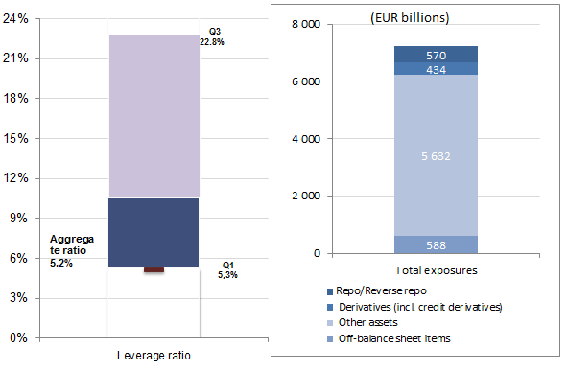

 | (EUR billions) | 2016 total aggregate exposure | 2017 total aggregate exposure
 | HQLA | 883 | 916
 | Other assets | 7,044 | 7,006
 | Total assets | 7,927 | 7,922
 | 2017
 | Q1 | 5.3%
 | Median | 9.8%
 | Q3 | 16.9%

 |  | 2016 Liquidity Coverage Ratio | 2017 Liquidity Coverage Ratio
 | Q1 | 120.0% | 5.3%
 | Q2-Q1 | 10.9% | 5.3%
 | Q3-Q2 | 64.7% | 12.2%

 | min | 69.39% | 0.00%
 | max | 707.19% | 99.76%
 | Average | 130.0% | 5.17%

i15
Return to contents
 | Ratios of loans to deposits
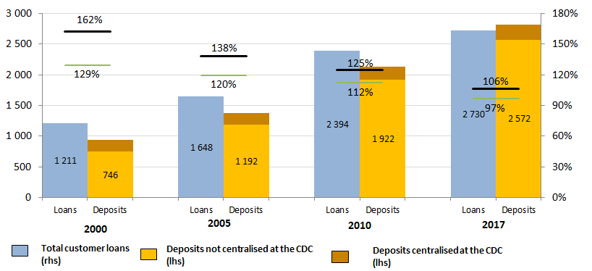

 |  | 2000-12-31 | 2005-12-31 | 2010-12-31 | 2017-12-31
 | Loans | 1,211 | 1,648 | 2,394 | 2,730
 | Book value of deposits* centralised at the Caisse des Dépôts (in EUR billions) | 190 | 184 | 212 | 245
 | Deposits not centralised at the CDC (lhs) | 746 | 1,192 | 1,922 | 2,572
 | Customer deposits | 936 | 1,376 | 2,134 | 2,817
 | Ratio of loans to deposits not centralised at the CDC (rhs) | 162% | 138% | 125% | 106%
 | Ratio of loans to total deposits (rhs) | 129% | 120% | 112% | 97%

i16
Return to contents
 | Distribution of LCR and proportion of HQLA in the balance sheet
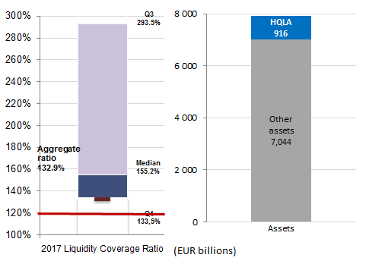

 | (EUR billions) | 2016 total aggregate exposure | 2017 total aggregate exposure | 2017
 | HQLA | 883 | 916 | Q1 | 133.5%
 | Other assets | 7,044 | 7,006 | Median | 155.2%
 | Total assets | 7,927 | 7,922 | Q3 | 293.5%

 |  | 2016 Liquidity Coverage Ratio | 2017 Liquidity Coverage Ratio
 | Q1 | 120.0% | 133.5%
 | Q2-Q1 | 10.9% | 21.8%
 | Q3-Q2 | 64.7% | 138.3%

 | min | 69.39% | 100.47%
 | max | 707.19% | 872.97%
 | average | 130.0% | 132.9%

i18
Return to contents
 | European comparison of aggregate CET1 solvency ratios

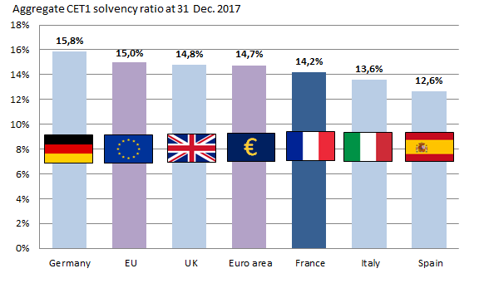

 |  |  | Germany | EU | UK | Euro area | France | Italy | Spain
 |  |  | Germany | EU | UK | Euro area | France | Italy | Spain
 |  | CET1 2016 | 14.9% | 14.1% | 13.8% | 13.9% | 13.7% | 10.8% | 12.7%
 |  | CET1 2017 | 15.8% | 15.0% | 14.8% | 14.7% | 14.2% | 13.6% | 12.6%

i19
Return to contents
 | European comparison of non-performing loan rates
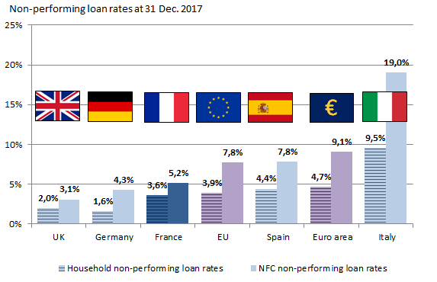

 |  |  |  | UK | Germany | France | EU | Spain | Euro area | Italy
 |  |  |  | UK | Germany | France | EU | Spain | Euro area | Italy
 | 2016 | Household non-performing loan rates | Household non-performing loan rates | 2.4% | 2.0% | 4.1% | 4.6% | 4.5% | 5.7% | 12.2%
 |  | NFC non-performing loan rates | NFC non-performing loan rates | 3.7% | 6.6% | 5.9% | 10.0% | 10.9% | 12.0% | 24.0%
 | 2017 | Household non-performing loan rates | Household non-performing loan rates | 2.0% | 1.6% | 3.6% | 3.9% | 4.4% | 4.7% | 9.5%
 |  | NFC non-performing loan rates | NFC non-performing loan rates | 3.1% | 4.3% | 5.2% | 7.8% | 7.8% | 9.1% | 19.0%

i20
Return to contents
 | European comparison of ROA
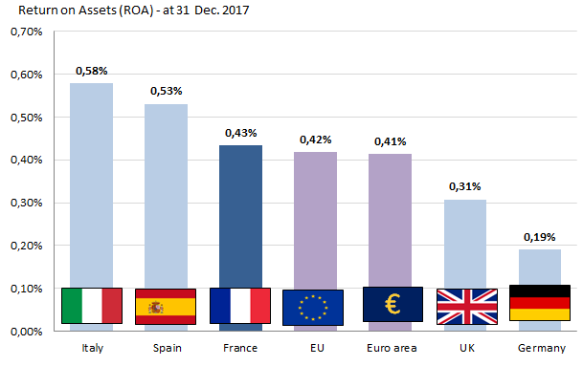

 |  | Italy | Spain | France | EU | Euro area | UK | Germany
 | Year | Italy | Spain | France | European Union | Euro area | United Kingdom | Germany
 | 2016 | -0.64 | 0.39 | 0.42 | 0.23 | 0.21 | 0.12 | 0.11
 | 2017 | 0.58 | 0.53 | 0.43 | 0.42 | 0.41 | 0.31 | 0.19

i21
Return to contents | Return to contents
 | European comparison of ROE
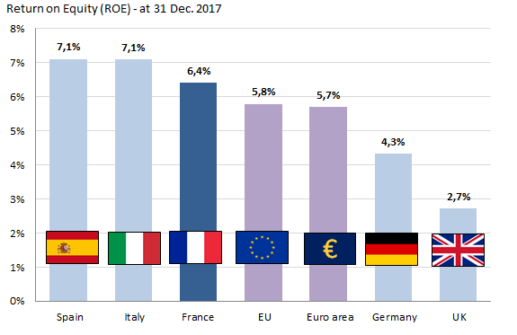

 |  | Spain | Italy | France | EU | Euro area | Germany | UK
 | Year | Spain | Italy | France | EU | Euro area | Germany | UK
 | 2016 | 5.1 | -9.1 | 6.5 | 3.5 | 3.2 | 2.1 | 1.7
 | 2017 | 7.1 | 7.1 | 6.4 | 5.8 | 5.7 | 4.3 | 2.7

